Sheet1
DEMOLITION MAN LED LAMP KIT |  | INSERTS AND GENERAL ILLUMINATION
 | Lamp Type | White | Red | Orange | Blue | Green | Yellow | Purple
 | 555 | 3 | 13 | 9 | 2 | 4 | 5 |  | 36
 | 555 (flex) |  | 2 | 1 | 3 |  | 1 |  | 7
 | 555 (frosted) | 37 | 11 | 2* | 1 |  | 1 |  | 50
 | 44 | 2 | 2 | 1 |  |  |  |  | 5
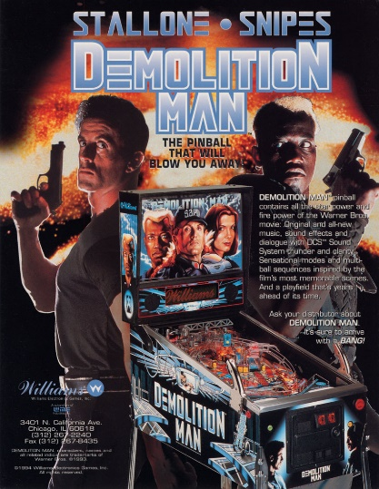
 | 44 (flex) |  | 4 |  |  |  |  |  | 4
 | 44 (frosted) | 39 |  |  | 9 |  |  |  | 48
 |  | 81 | 32 | 11 | 15 | 4 | 7 | 0 | 150

 |  | FLASHERS
 | Lamp Type | White | Red | Orange | Blue | Green | Yellow | Purple
 | 906 flat | 9 |  |  | 4 |  |  |  | 13
 | 906 |  | 3 |  |  |  |  |  | 3
 | 89 | 2 |  |  | 4 |  |  |  | 6
 | 89 (flex) | 1 | 2 | 1 |  |  | 1 |  | 5
 |  | 12 | 5 | 1 | 8 | 0 | 1 | 0 | 27

 | Mouse over the lamp type field to see an image of the lamp.
 | * These 2 orange 555s are for pop bumpers. 4+1 LEDs work best instead of plain frosted globes.

