Sheet1
FISH TALES LED LAMP KIT |  | PLAYFIELD
 | Lamp Type | C. White | Red | Orange | Blue | Green | Yellow | Purple
 | 555 | 4 | 6 | 3 | 3 | 23 | 10 | 2 | 51
 | 555 (flex) | 4 |  |  |  |  |  |  | 4
 | 555 (frosted) |  |  |  |  |  | 5 |  | 5
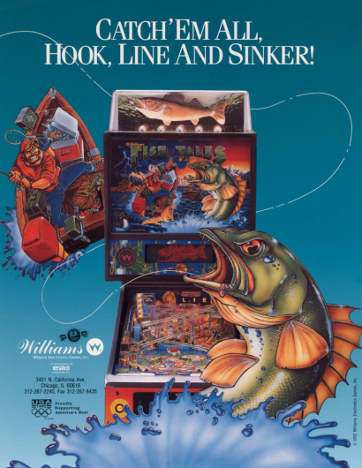
 | 44 |  | 1 |  |  | 2 |  | 2 | 5
 | 44 (flex) |  |  | 2 |  | 2 |  |  | 4
 | 44 (frosted) | 28 |  |  |  |  |  |  | 28
 | 906 | 2 | 1 | 1 | 1 | 1 |  |  | 6
 | 906 (flex) |  | 2 |  |  |  |  |  | 2
 | 89 | 3 |  |  |  |  |  |  | 3
 | 89 (flex) |  |  |  |  |  |  |  | 0
 |  | 41 | 10 | 6 | 4 | 28 | 15 | 4 | 108

 |  | BACKBOX, TOPPER, CABINET & MISCELLANEOUS
 | Lamp Type | C. White | Red | Orange | Blue | Green | Yellow | Purple
 | 555 |  |  |  |  |  |  |  | 0
 | 555 (flex) | 1 |  |  |  |  |  |  | 1
 | 555 (frosted) | 52 |  |  |  |  |  |  | 52
 | 44 |  |  | 1 |  |  |  |  | 1
 | 44 (flex) |  |  |  |  |  |  |  | 0
 | 44 (frosted) |  |  |  |  |  |  |  | 0
 | 906 | 12 |  |  |  |  |  |  | 12
 | 906 (flex) | 1 |  |  |  |  |  |  | 1
 | 89 |  |  |  |  |  |  |  | 0
 | 89 (flex) |  |  |  |  |  |  |  | 0
 |  | 66 | 0 | 1 | 0 | 0 | 0 | 0 | 67

 | Mouse over the lamp type to see an image.

