Sheet1
 |  | PLAYFIELD
JOHNNY MNEMONIC LED LAMP KIT | Type & Colour | C. White | Red | Orange | Blue | Green | Yellow | Purple
 | 555 | 20 | 16 | 9 | 6 | 3 | 2 |  | 56
 | 555 (flex) |  |  |  |  |  |  |  | 0
 | 555 (frosted) |  |  |  |  |  |  |  | 0
 | 44 |  | 2 | 1 | 1 |  | 1 |  | 5
 | 44 (flex) |  |  |  |  |  |  |  | 0
 | 44 (frosted) | 25 | 4 |  |  |  |  |  | 29
 | 906 | 1 |  |  |  |  |  |  | 1
 | 906 (flex) |  |  |  |  |  |  |  | 0
 | 89 |  |  |  |  |  |  |  | 0
 | 89 (flex) | 2 |  |  |  |  |  |  | 2
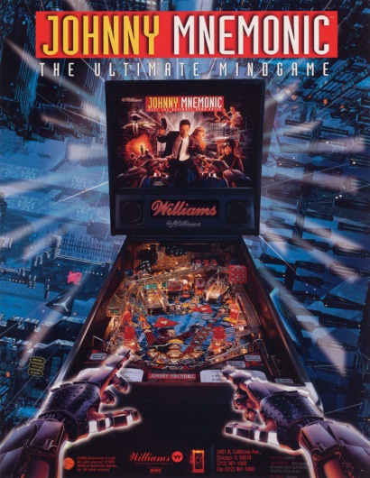
 |  | 48 | 22 | 10 | 7 | 3 | 3 | 0 | 93

 |  | BACKBOX, TOPPER, CABINET, MISCELLANEOUS
 | Type & Colour | C. White | Red | Orange | Blue | Green | Yellow | Purple
 | 555 |  |  |  |  |  |  |  | 0
 | 555 (flex) |  |  |  |  |  |  |  | 0
 | 555 (frosted) | 25 |  |  |  |  |  |  | 25
 | 44 |  |  |  |  |  |  |  | 0
 | 44 (flex) |  |  |  |  |  |  |  | 0
 | 44 (frosted) |  |  |  |  |  |  |  | 0
 | 906 |  |  |  |  |  |  |  | 0
 | 906 (flex) |  |  |  |  |  |  |  | 0
 | 89 |  |  |  |  |  |  |  | 0
 | 89 (flex) |  |  |  |  |  |  |  | 0
 |  | 25 | 0 | 0 | 0 | 0 | 0 | 0 | 25

 | Mouse over the lamp type field to see an image of the lamp.

