Sheet1
JUDGE DREDD LED LAMP KIT |  | PLAYFIELD
 | Lamp Type | C. White | Red | Orange | Blue | Green | Yellow | Purple
 | 555 |  | 2 | 6 |  | 3 | 8 |  | 19
 | 555 (flex) | 3 | 1 | 1 |  | 1 | 8 |  | 14
 | 555 (frosted) |  |  |  |  |  |  |  | 0
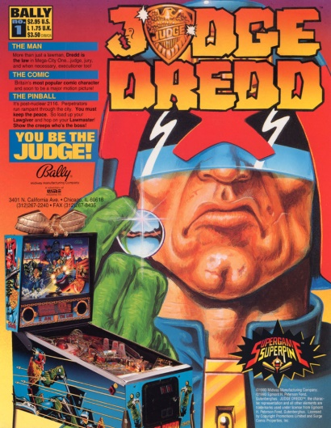
 | 44 |  |  | 1 | 1 |  |  |  | 2
 | 44 (flex) | 1 |  |  |  | 4 | 1 |  | 6
 | 44 (frosted) | 15 |  |  |  |  |  |  | 15
 | 906 (flat) | 1 | 2 |  | 2 |  |  |  | 5
 | 906 (flex) |  | 1 | 1 | 1 | 1 | 1 |  | 5
 | 89 | 4 |  |  |  |  |  |  | 4
 | 89 (flex) |  |  |  |  |  |  |  | 0
 |  | 24 | 6 | 9 | 4 | 9 | 18 | 0 | 70

 |  | BACKBOX, TOPPER, CABINET & MISC.
 | Lamp Type | C. White | Red | Orange | Blue | Green | Yellow | Purple
 | 555 |  |  |  |  |  |  |  | 0
 | 555 (flex) |  |  |  |  |  |  |  | 0
 | 555 (frosted) | 50 |  |  |  |  |  |  | 50
 | 44 |  |  |  |  |  |  |  | 0
 | 44 (flex) |  |  |  |  |  |  |  | 0
 | 44 (frosted) |  |  |  |  |  |  |  | 0
 | 906 (flat) | 16 |  |  |  |  |  |  | 16
 | 906 (flex) |  |  |  |  |  |  |  | 0
 | 89 |  |  |  |  |  |  |  | 0
 | 89 (flex) |  |  |  |  |  |  |  | 0
 |  | 66 | 0 | 0 | 0 | 0 | 0 | 0 | 66

 | Mouse over the lamp type to see an image.

