Sheet1
THE GETAWAY LED LAMP KIT |  | INSERTS AND GENERAL ILLUMINATION
 | Lamp Type | White | Red | Orange | Blue | Green | Yellow | Purple
 | 555 | 15 | 18 | 17 |  | 7 | 1 |  | 58
 | 555 (flex) |  |  |  |  |  |  |  | 0
 | 555 (frosted) | 30 | 1 |  |  |  | 1 |  | 32
 | 555 (multi-SMD) |  | 0 |  |  |  |  |  | 0
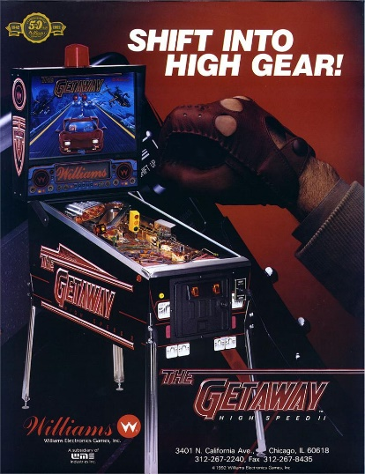
 | 44 | 1 |  | 2 |  |  |  |  | 3
 | 44 (flex) | 1 | 2 |  |  | 3 |  |  | 6
 | 44 (frosted) | 30 |  |  |  |  |  |  | 30
 |  | 77 | 21 | 19 | 0 | 10 | 2 | 0 | 129

 |  | FLASHERS
 | Lamp Type | White | Red | Orange | Blue | Green | Yellow | Purple
 | 906 (flat) | 5 | 3 |  |  |  |  |  | 8
 | 906 (flex) |  | 1 |  |  |  |  |  | 1
 | 906 (multi-SMD) |  | 0 |  |  |  |  |  | 0
 | 89 | 9 |  |  |  |  |  |  | 9
 | 89 (flex) |  |  |  |  |  |  |  | 0
 |  | 14 | 4 | 0 | 0 | 0 | 0 | 0 | 18

 | Mouse over the lamp type field to see an image of the lamp.

