Sheet1
WORLD CUP SOCCER LED LAMP KIT |  | INSERTS AND GENERAL ILLUMINATION
 | Lamp Type | White | Red | Orange | Blue | Green | Yellow | Purple
 | 555 | 14 | 2 | 1 |  |  | 9 | 10 | 36
 | 555 (flex) |  |  |  |  |  |  |  | 0
 | 555 (frosted) | 65 | 3 |  |  |  | 7 |  | 75
 | 44 | 6 | 2 | 3 | 1 |  | 1 | 2 | 15
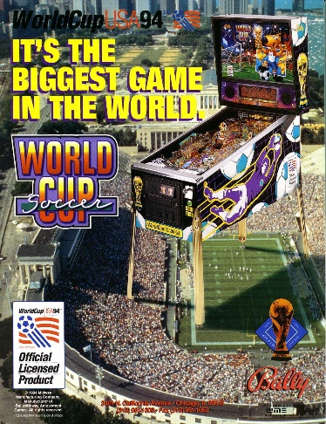
 | 44 (flex) | 1 | 4 |  |  |  |  |  | 5
 | 44 (frosted) |  |  |  |  |  |  |  | 0
 |  | 86 | 11 | 4 | 1 | 0 | 17 | 12 | 131

 |  | FLASHERS
 | Lamp Type | White | Red | Orange | Blue | Green | Yellow | Purple
 | 906 flat | 8 |  |  |  |  | 1 |  | 9
 | 906 (flex) |  |  |  |  |  |  |  | 0
 | 906 |  | 1 |  |  |  | 4 |  | 5
 | 89 | 6 |  |  |  |  |  |  | 6
 | 89 (flex) | 1 |  |  |  |  |  | 1 | 2
 |  | 15 | 1 | 0 | 0 | 0 | 5 | 1 | 22

 | Mouse over the lamp type field to see an image of the lamp.

